Sheet2 (2)
L2

H2

Y

Motor 1
Motor 2
R1

X
S

Sheet1
XY Linear Motion

Motor 1
Motor Rotation
Motor 2

Sheet2
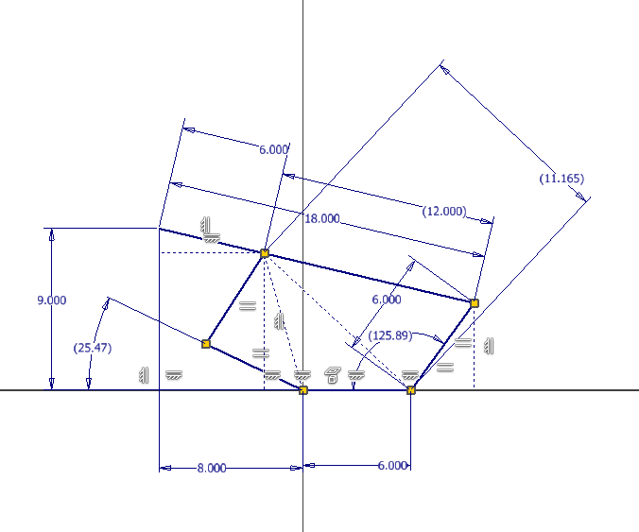
L
Input Data
X | 8
Y | 9

Linkage Geometry
L | 18
R1 | 6
S | 6
Y
H
Calculated Values
A1 | 32.735226272
H | 16.643316977
A2
A2 | 93.157286577
R1
Motor 1
Motor 2
Motor 2 Angle
Motor 2 | 125.89251285
A1
X
S

Linkage Geometry
R2 | 6
R3 | 6
Y3
L
L1 | 12

X1
L1
Calculated Values
Y1 | 4.860709548
Y2 | 7.620236516
R3
Y3 | 1.379763484
X1 | 5.839199665
X2 | 2.160800335
Y
L3
H1 | 7.9206731183
H1
A3 | 48.695849083
Y2
L3 | 11.165422816
A4 | 105.83125741
R2
A3
R1
A4
Y1
Motor 1 Angle
Motor 1 | 25.472893504
Motor 1
Motor 2
S
X
X2

